Age
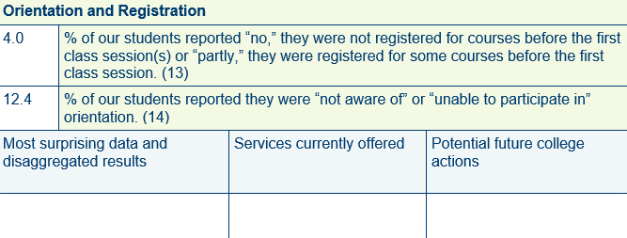
 |  | %
13 | Traditional Age | 4.4
 | Non-Traditional Age | 3.1
14 | Traditional Age | 7.6
 | Non-Traditional Age | 29.7


4L | Traditional Age | 23.1
 | Non-Traditional Age | 27.4
20 | Traditional Age | 22.9
 | Non-Traditional Age | 35.0

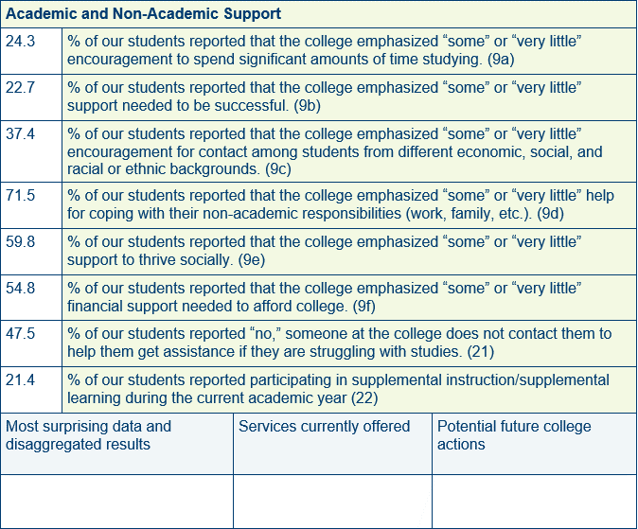
9a | Traditional Age | 26.1
 | Non-Traditional Age | 20.6
9b | Traditional Age | 25.2
 | Non-Traditional Age | 18.8
9c | Traditional Age | 44.8
 | Non-Traditional Age | 22.1
9d | Traditional Age | 70.9
 | Non-Traditional Age | 78.1
9e | Traditional Age | 61.6
 | Non-Traditional Age | 57.9
9f | Traditional Age | 52.7
 | Non-Traditional Age | 59.4
21 | Traditional Age | 50.0
 | Non-Traditional Age | 42.1
22 | Traditional Age | 19.8
 | Non-Traditional Age | 23.4

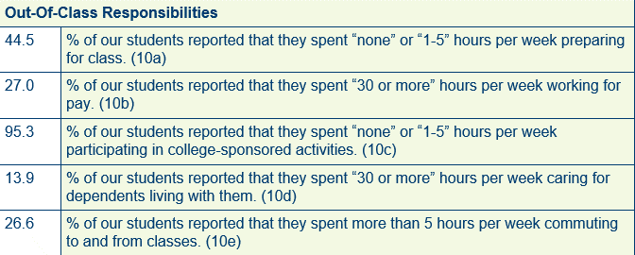
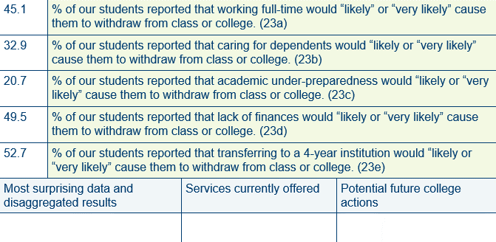
10a | Traditional Age | 48.9
 | Non-Traditional Age | 29.7
10b | Traditional Age | 25.0
 | Non-Traditional Age | 39.1
10c | Traditional Age | 94.3
 | Non-Traditional Age | 97.2
10d | Traditional Age | 5.7
 | Non-Traditional Age | 42.2
10e | Traditional Age | 25.5
 | Non-Traditional Age | 29.4
23a | Traditional Age | 44.0
 | Non-Traditional Age | 44.7
23b | Traditional Age | 26.3
 | Non-Traditional Age | 49.5
23c | Traditional Age | 21.4
 | Non-Traditional Age | 17.3
23d | Traditional Age | 47.6
 | Non-Traditional Age | 52.8
23e | Traditional Age | 57.3
 | Non-Traditional Age | 40.7

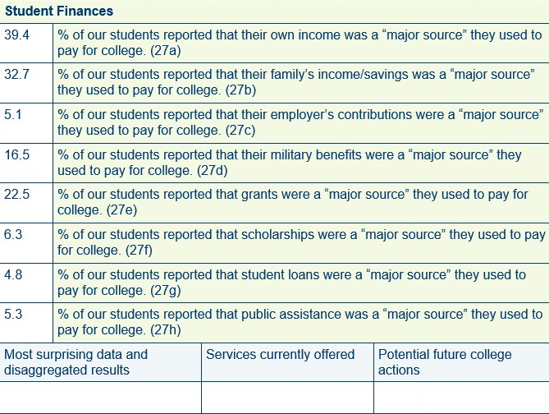
27a | Traditional Age | 40.2
 | Non-Traditional Age | 36.5
27b | Traditional Age | 37.2
 | Non-Traditional Age | 17.2
27c | Traditional Age | 4.0
 | Non-Traditional Age | 8.9
27d | Traditional Age | 8.0
 | Non-Traditional Age | 44.0
27e | Traditional Age | 22.6
 | Non-Traditional Age | 22.9
27f | Traditional Age | 8.0
 | Non-Traditional Age | 1.0
27g | Traditional Age | 4.1
 | Non-Traditional Age | 7.4
27h | Traditional Age | 5.1
 | Non-Traditional Age | 6.0

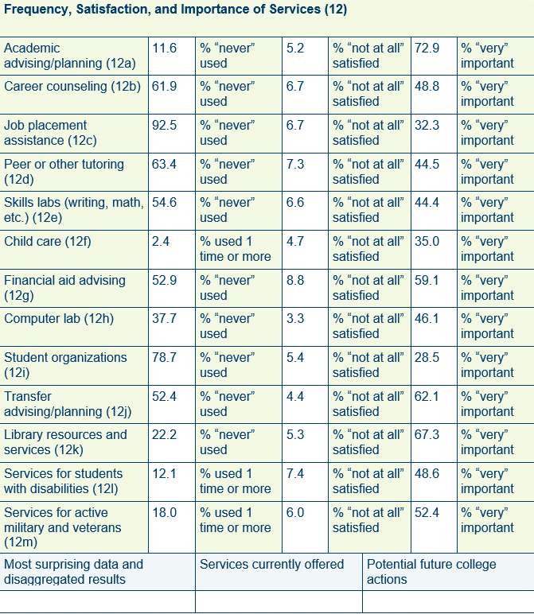
12a | Traditional Age | 10.9 | FREQ
 | Non-Traditional Age | 14.3
12b | Traditional Age | 59.8
 | Non-Traditional Age | 68.7
12c | Traditional Age | 91.5
 | Non-Traditional Age | 96.8
12d | Traditional Age | 61.9
 | Non-Traditional Age | 68.8
12e | Traditional Age | 55.9
 | Non-Traditional Age | 56.9
12f | Traditional Age | 2.5
 | Non-Traditional Age | 0.2
12g | Traditional Age | 48.4
 | Non-Traditional Age | 64.2
12h | Traditional Age | 30.3
 | Non-Traditional Age | 56.8
12i | Traditional Age | 76.5
 | Non-Traditional Age | 84.7
12j | Traditional Age | 53.4
 | Non-Traditional Age | 54.1
12k | Traditional Age | 17.1
 | Non-Traditional Age | 39.3
12l | Traditional Age | 15.3
 | Non-Traditional Age | 4.0
12m | Traditional Age | 10.9
 | Non-Traditional Age | 42.9

12a | Traditional Age | 7.1 | SATIS
 | Non-Traditional Age | 0.7
12b | Traditional Age | 7.4
 | Non-Traditional Age | 3.3
12c | Traditional Age | 8.2
 | Non-Traditional Age | 3.6
12d | Traditional Age | 6.2
 | Non-Traditional Age | 9.8
12e | Traditional Age | 6.2
 | Non-Traditional Age | 6.2
12f | Traditional Age | 3.6
 | Non-Traditional Age | 9.5
12g | Traditional Age | 8.4
 | Non-Traditional Age | 9.2
12h | Traditional Age | 3.2
 | Non-Traditional Age | 4.0
12i | Traditional Age | 4.3
 | Non-Traditional Age | 9.5
12j | Traditional Age | 3.8
 | Non-Traditional Age | 7.2
12k | Traditional Age | 6.2
 | Non-Traditional Age | 3.4
12l | Traditional Age | 7.2
 | Non-Traditional Age | 9.3
12m | Traditional Age | 5.1
 | Non-Traditional Age | 9.3

12a | Traditional Age | 73.3 | IMPOR
 | Non-Traditional Age | 73.4
12b | Traditional Age | 46.9
 | Non-Traditional Age | 53.3
12c | Traditional Age | 30.0
 | Non-Traditional Age | 37.6
12d | Traditional Age | 44.6
 | Non-Traditional Age | 39.7
12e | Traditional Age | 40.3
 | Non-Traditional Age | 51.6
12f | Traditional Age | 31.5
 | Non-Traditional Age | 40.9
12g | Traditional Age | 59.1
 | Non-Traditional Age | 55.5
12h | Traditional Age | 49.2
 | Non-Traditional Age | 34.8
12i | Traditional Age | 29.7
 | Non-Traditional Age | 25.4
12j | Traditional Age | 63.9
 | Non-Traditional Age | 53.0
12k | Traditional Age | 68.1
 | Non-Traditional Age | 61.1
12l | Traditional Age | 51.1
 | Non-Traditional Age | 39.0
12m | Traditional Age | 48.1
 | Non-Traditional Age | 65.0

